Dr martens
STYLE CODE | DESCRIPTION | COLOR |  | SIZE EU | 36 | 37 | 38 | 39 | 40 | 41 | Quantity | Your Price | retail
 |  |  | Picture | SIZE UK | 3 | 4 | 5 | 6 | 6 1/2 | 7
11822006 | Originals CORE 1460 8 Eye boot | Smooth Black | 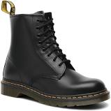 |  | 200 | 300 | 400 | 400 | 300 | 200 | 1800 | € 100.00 | € 190.00
13512006 | Originals CORE 1460 8 Eye boot | pascal virginia | 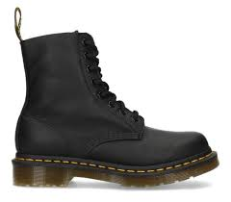 |  | 100 | 200 | 300 | 300 | 200 | 100 | 1,200 | € 100.00 | € 190.00
11821011 | 1460 W | BLACK PATENT LAMPER | 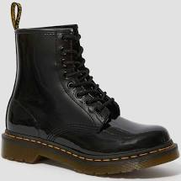 |  | 20 | 40 | 60 | 60 | 40 | 20 | 240 | € 100.00 | € 190.00
10072600 | Originals CORE 1460 8 Eye boot | Smooth Cherry Red | 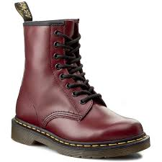 |  | 10 | 20 | 30 | 30 | 20 | 10 | 120 | € 100.00 | € 190.00
25345001 | 1460 Bex | BLACK SMOOTH | 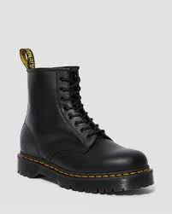 |  | 30 | 60 | 90 | 90 | 60 | 30 | 360 | € 100.00 | € 190.00
11822411 | Originals CORE 1460 8 Eye boot | Smooth navy | 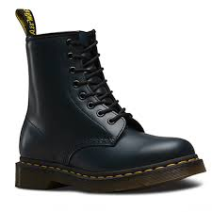 |  | 10 | 20 | 30 | 30 | 20 | 10 | 120 | € 100.00 | € 190.00
14353001 | 1460 Mono | BLACK SMOOTH | 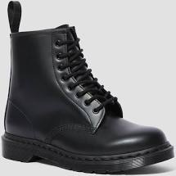 |  | 10 | 20 | 30 | 30 | 20 | 10 | 120 | € 100.00 | € 190.00
10085001 | 1461 | Black Smooth | 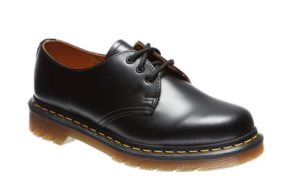 |  | 15 | 30 | 45 | 45 | 30 | 15 | 180 | € 100.00 | € 160.00
11822003 | 1460 | black greasy | 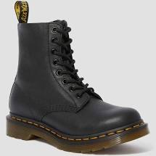 |  | 75 | 150 | 225 | 225 | 150 | 75 | 900 | € 100.00 | € 190.00
22564001 | Sinclair | black aunt sally | 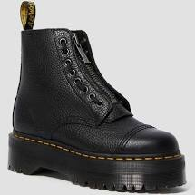 |  | 50 | 100 | 150 | 150 | 100 | 50 | 600 | € 120.00 | € 230.00
15265100 | Jadon | white | 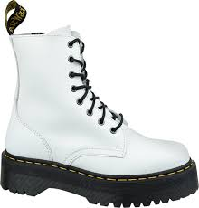 |  | 10 | 20 | 30 | 30 | 20 | 10 | 120 | € 120.00 | € 230.00
15265001 | Jadon | Black Polished Smooth | 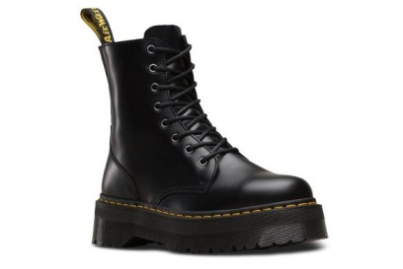 |  | 50 | 100 | 150 | 150 | 100 | 50 | 600 | € 120.00 | € 230.00

DELIVERY: | December |  |  |  |  |  |  |  |  |  | 6360

